I1. Réf rel. et abs.
Cell References: Relative, Absolute, and Mixed
 |  |  |  |  |  |  |  |  |  |  | Ludovic Moreau moreau@artofnet.ch

Relative reference:
B12 C4:C10
Typical format in formulas, Column Index followed by the row number. This reference is automatically changed if copied to different cells.
Absolute reference:
$B$12 C$4:$C$10
The $ symbol to the left of the dimension freezes the dimension. This reference is blocked and remains the same if copied into different cells.
Mixed reference:
B$12 $B12 C$4:C$10
One of the two dimensions is fixed, the other is not. The non-frozen dimension will be automatically changed when copying to different cells.
USE F4 to switch between the 4 possible reference states.
Exercise I1: 1. Calculate the amounts in the [ TOTAL] column.
2. Complete the sales price simulation table with a single formula. Use the % values in the column headers to calculate the sum of the total price and profit. 3. Change the formula so that the total includes VAT. The amount is defined in the 'Variables' sheet.
3. Create a vatCH defined name to finalize your formula.
4. Round all amounts to the nearest unit
 |  |  |  | ESTIMATED SALE PRICE
PRODUCT | Cost | Labor | TOTAL | 10% | 15% | 20% | 25% | 30% | 35% | 40%
PRODUIT1 | 600 | 200
PRODUIT2 | 753 | 137
PRODUIT3 | 695 | 231
PRODUIT4 | 742 | 228
PRODUIT5 | 804 | 146
PRODUIT6 | 821 | 152
PRODUIT7 | 617 | 246
PRODUIT8 | 455 | 174
PRODUIT9 | 542 | 193
PRODUIT10 | 649 | 215
PRODUIT11 | 822 | 151
PRODUIT12 | 846 | 124
PRODUIT13 | 995 | 140
PRODUIT14 | 685 | 198
PRODUIT15 | 660 | 136
PRODUIT16 | 651 | 117
PRODUIT17 | 668 | 218
PRODUIT18 | 625 | 245
PRODUIT19 | 702 | 221
PRODUIT20 | 693 | 197
PRODUIT21 | 736 | 201

SOLUTION
 |  |  |  | ESTIMATED SALE PRICE
PRODUCT | Cost | Labor | TOTAL | 10% | 15% | 20% | 25% | 30% | 35% | 40%
PRODUIT1 | 600 | 200 | 800 | 957 | 1000 | 1044 | 1087 | 1130 | 1174 | 1217
PRODUIT2 | 753 | 137 | 890 | 1064 | 1113 | 1161 | 1209 | 1258 | 1306 | 1354
PRODUIT3 | 695 | 231 | 926 | 1107 | 1158 | 1208 | 1258 | 1309 | 1359 | 1409
PRODUIT4 | 742 | 228 | 970 | 1160 | 1213 | 1265 | 1318 | 1371 | 1423 | 1476
PRODUIT5 | 804 | 146 | 950 | 1136 | 1188 | 1239 | 1291 | 1342 | 1394 | 1446
PRODUIT6 | 821 | 152 | 973 | 1163 | 1216 | 1269 | 1322 | 1375 | 1428 | 1481
PRODUIT7 | 617 | 246 | 863 | 1032 | 1079 | 1126 | 1173 | 1220 | 1266 | 1313
PRODUIT8 | 455 | 174 | 629 | 752 | 786 | 820 | 855 | 889 | 923 | 957
PRODUIT9 | 542 | 193 | 735 | 879 | 919 | 959 | 999 | 1039 | 1079 | 1119
PRODUIT10 | 649 | 215 | 864 | 1033 | 1080 | 1127 | 1174 | 1221 | 1268 | 1315
PRODUIT11 | 822 | 151 | 973 | 1163 | 1216 | 1269 | 1322 | 1375 | 1428 | 1481
PRODUIT12 | 846 | 124 | 970 | 1160 | 1213 | 1265 | 1318 | 1371 | 1423 | 1476
PRODUIT13 | 995 | 140 | 1135 | 1357 | 1419 | 1480 | 1542 | 1604 | 1666 | 1727
PRODUIT14 | 685 | 198 | 883 | 1056 | 1104 | 1152 | 1200 | 1248 | 1296 | 1344
PRODUIT15 | 660 | 136 | 796 | 952 | 995 | 1038 | 1082 | 1125 | 1168 | 1211
PRODUIT16 | 651 | 117 | 768 | 918 | 960 | 1002 | 1044 | 1085 | 1127 | 1169
PRODUIT17 | 668 | 218 | 886 | 1059 | 1108 | 1156 | 1204 | 1252 | 1300 | 1348
PRODUIT18 | 625 | 245 | 870 | 1040 | 1088 | 1135 | 1182 | 1229 | 1277 | 1324
PRODUIT19 | 702 | 221 | 923 | 1104 | 1154 | 1204 | 1254 | 1304 | 1354 | 1405
PRODUIT20 | 693 | 197 | 890 | 1064 | 1113 | 1161 | 1209 | 1258 | 1306 | 1354
PRODUIT21 | 736 | 201 | 937 | 1120 | 1171 | 1222 | 1273 | 1324 | 1375 | 1426

I2. Cond. Formatting
Conditional Formatting
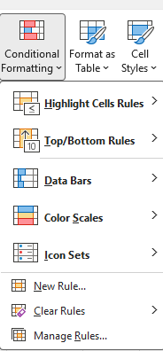
Conditional formatting:
Sets visual highlighting rules for certain cells.

Highlight cells according to a user-defined filter

Highlighting against the max, min, and average values of the selected range

Adds color bars to each selected cell. The width of the bar is proportional to the value

Adds color shades to each selected cell. The nuance is proportional to the value.

Adds preset icons to each selected cell. The icon displayed varies according to the values in the range.

Managing existing Conditional Formatting Rules

I2. Cond. Formatting (Ex)
Exercise : Conditional Formatting and chart

Conditional Formatting :
Insert conditional formatting in the [TOTAL] column (data bar)
Home > Cond. Formatting > Data bar.
How do you make sure that the bars don't overlap the numbers? Calculate the max of this column and use the result in the maximum value of the created rule.
Insert formatting cond. (highlighted) the top 3 (in green) and bottom 3 (in red) of the rank values calculated in column F. Insert the formula that calculates the maximum value of the rows in a cell.
Add formatting that highlights the row of the best (green) and worst (red) in the table.

Store | jan | feb | mar | TOTAL | Rank
Store1 | 100 | 200 | 300 | 600 | 19
Store10 | 190 | 245 | 318 | 753 | 6
Store11 | 200 | 250 | 245 | 695 | 10
Store12 | 210 | 255 | 277 | 742 | 7
Store13 | 220 | 260 | 324 | 804 | 5
Store14 | 230 | 265 | 326 | 821 | 4
Store2 | 110 | 205 | 302 | 617 | 18
Store24 | 155 | 112 | 188 | 455 | 21
Store25 | 165 | 225 | 152 | 542 | 20
Store26 | 190 | 214 | 245 | 649 | 16
Store27 | 210 | 258 | 354 | 822 | 3
Store28 | 224 | 301 | 321 | 846 | 2
Store29 | 290 | 340 | 365 | 995 | 1
Lollipop chart: Use the symbols in cells H29:H31 to create a pseudo-graph by a formula using the REPT function by repeating the line proportionally to the total divided by a scale factor defined in I4.
Apply two formatting cond. with formula to put the same colors at the 3 lollipops max and min. Sort the table to verify that the lollipop is dynamic.
Store3 | 120 | 210 | 355 | 685 | 12
Store30 | 190 | 170 | 300 | 660 | 14
Store4 | 130 | 215 | 306 | 651 | 15
Store5 | 140 | 220 | 308 | 668 | 13
Store6 | 150 | 225 | 250 | 625 | 17
Store7 | 190 | 230 | 312 | 732 | 9
Store8 | 170 | 235 | 288 | 693 | 11
Store9 | 180 | 240 | 316 | 736 | 8

 | ⚫ | Win + . (emoji)
 | — | Win + . (emoji)
 | | | MAJ + 7

Threshold | 800

I2. Cond. Formatting (Sol.)
Solution exercise I2

 |  |  |  |  |  | Scaling factor | 20
Store | jan | feb | mar | TOTAL | Rank
Store1 | 100 | 200 | 300 | 600 | 19 | |——————————————————————————————⚫ |  | |——————————————————————————————⚫
Store10 | 190 | 245 | 318 | 753 | 6 | |—————————————————————————————————————⚫
Store11 | 200 | 250 | 245 | 695 | 10 | |——————————————————————————————————⚫
Store12 | 210 | 255 | 277 | 742 | 7 | |—————————————————————————————————————⚫
Store13 | 220 | 260 | 324 | 804 | 5 | |————————————————————————————————————————⚫
Store14 | 230 | 265 | 326 | 821 | 4 | |—————————————————————————————————————————⚫
Store2 | 110 | 205 | 302 | 617 | 18 | |——————————————————————————————⚫
Store24 | 155 | 112 | 188 | 455 | 21 | |——————————————————————⚫
Store25 | 165 | 225 | 152 | 542 | 20 | |———————————————————————————⚫
Store26 | 190 | 214 | 245 | 649 | 16 | |————————————————————————————————⚫
Store27 | 210 | 258 | 354 | 822 | 3 | |—————————————————————————————————————————⚫
Store28 | 224 | 301 | 321 | 846 | 2 | |——————————————————————————————————————————⚫
Store29 | 290 | 340 | 365 | 995 | 1 | |—————————————————————————————————————————————————⚫
Store3 | 120 | 210 | 355 | 685 | 12 | |——————————————————————————————————⚫
Store30 | 190 | 170 | 300 | 660 | 14 | |—————————————————————————————————⚫
Store4 | 130 | 215 | 306 | 651 | 15 | |————————————————————————————————⚫
Store5 | 140 | 220 | 308 | 668 | 13 | |—————————————————————————————————⚫
Store6 | 150 | 225 | 250 | 625 | 17 | |———————————————————————————————⚫
Store7 | 160 | 230 | 312 | 702 | 9 | |———————————————————————————————————⚫
Store8 | 170 | 235 | 288 | 693 | 11 | |——————————————————————————————————⚫
Store9 | 180 | 240 | 316 | 736 | 8 | |————————————————————————————————————⚫

 |  |  | Max Total | 995
 |  |  | Max Rank | 21 |  | ⚫ | Win + . (emoji)
 |  |  |  |  |  | — | Win + . (emoji)
 |  |  |  |  |  | | | MAJ + 7

I3. Data Validation
Data validation

With data validation, you can force the contents of a cell to be:
▶ an integer (or decimal). ▶ a date (or time) range. ▶ a fixed-length text.
▶ managed by a formula.
▶ a list of choices.
To insert a data validation: Data > (Data Tools) Data Validation
Insert a number beetween 1000 et 9999.
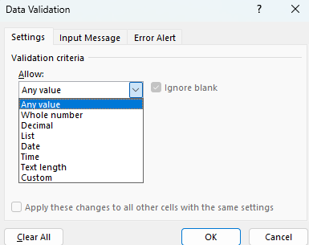
 | Whole number
 |  | 1200
 | 5555 | 4565

Insert a date in 2025.
 | Date

 |  | 212

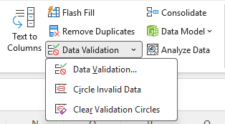
Insert a validation that checks if the sum of cells in N21:N25 is less than N26.
 | formula
 | 1000
 | 2000
 | 3000
 | 1000
 | 1000
Max. | 10000
Insert a text starting with 'PROD' (case sensitive).
 | Text
 | PROD1234

I3. Dropdown list
Dropdown lists

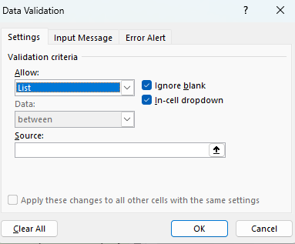
You can impose a list of choices in the desired cells. The list of choices can be:​
▶ a manual list. ▶ A range of cells in a sheet. ▶ a defined name.
▶ a formula.
To insert a drop-down list: Data > (Data Tools) Data Validation
and choose 'List' from the dropdown.
Insert drop-down lists that contain the following values: Vaud;Genève;Bienne;Zurich;Fribourg
Text

Insert drop-down lists that contain the values contained in
'Variables'!B11:B15
Cells

Insert drop-down lists that contain the values contained in the cells referenced by the name liste_cantons in the sheet 'Varaibles'
Defined name

Insert drop-down lists that contain the unique values of the column Departments in the sheet 'Variables'.
We can't use array functions in data validation.
Formula

I4. Protection
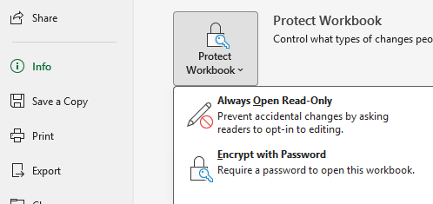
Protection in Excel

Protect the sheet:
Review > protect sheet will prevent any changes to the cells of the sheet. You can set a password on your protection (make sure you remember this).
If you want to allow editing of certain cells, select them first and tap Review > Allow Edit Ranges, and then click Review > protect sheet.
If you use a password, don't forget it!
Protect the workbook:
Review > Protect Workbook will prevent the sheet structure from being changed.
You will no longer be able to add, move, copy, delete, rename, hide, or show a sheet or change the color of the tab.
Encrypt with password:
Click File > Info> Protect Workbook > Encrypt with Password
This will force a password to be entered when opening the workbook.

